Sheet1
investment vehicle | 401(K) | Roth IRA | IUL
ivestment/month | 750 | 500 | 500 | This is a 20 yr comparision of an IUL vs Direct market returns | The Blue Line represents the account value in an IUL where the Red represents the S&P 5000
FEEs | 1-2% | 1-2% | 1.50% |  | An IUL has a cap of 15% and a floor(guarentee) of .75% where a 401(k) and ROTH get full market exposure.
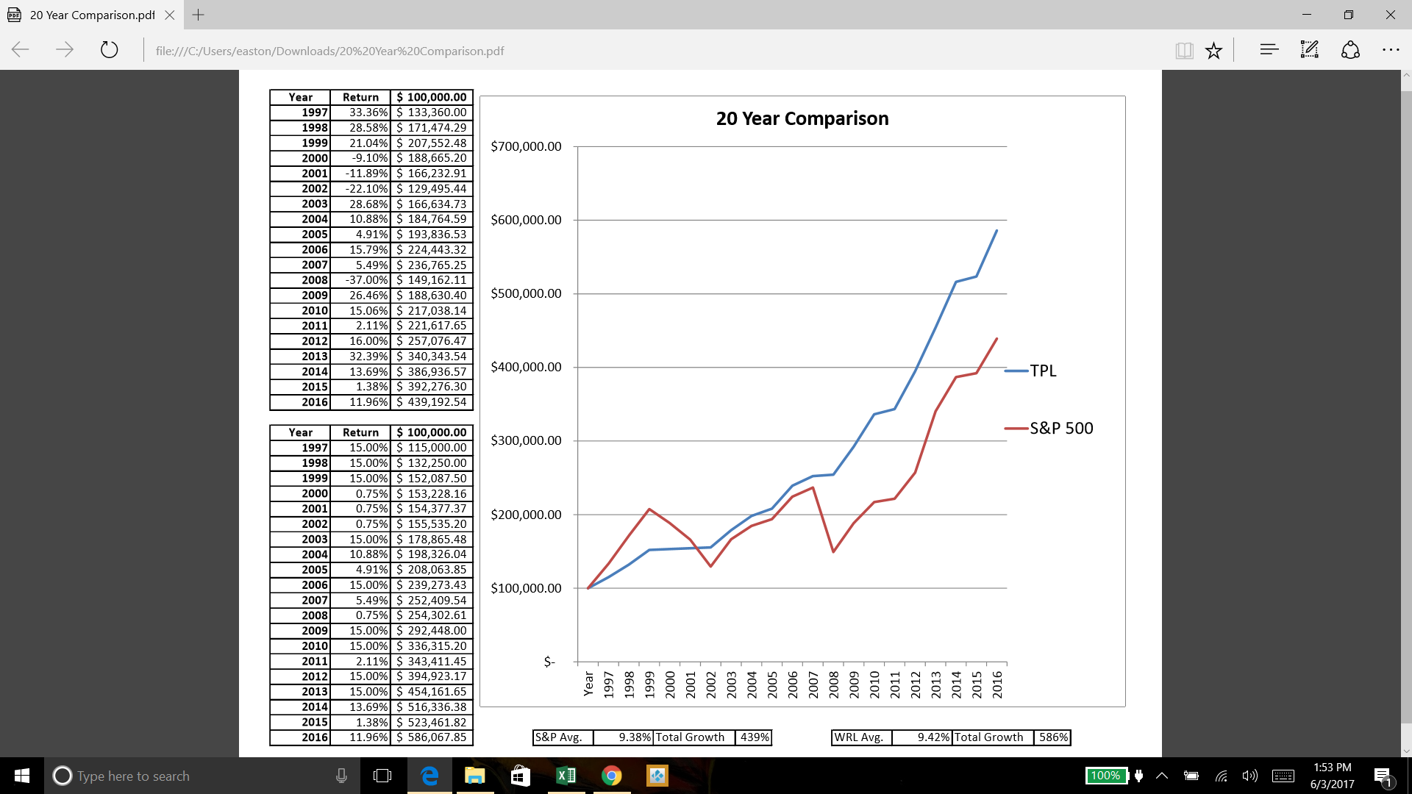
Average gross ROR | 4-6% | 6-8% | 7-9%
NET ROR | 2-5% | 4-7% | 5.5-7.5%
Value after 40yrs | 1.116 mil | 1.4 mil | 1.4 mil
TAX on contributions | 108k saved | 0 | 0
TAX on accumilation | deffered | deffered | deffered
TAX on distribution | 333k paid to IRS | tax free after 59 1/2 | tax free
Rules and penalties | 59 1/2 70 1/2 | 59.5 | cancelation charge prior to year 15
Chance of loss | yes | yes | no
guarentees | no | no | yes
plan Completion | no | no | yes

